Entropy
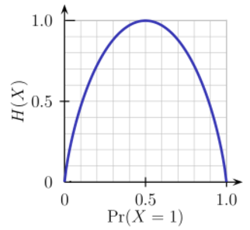
SL NO | Ball size | Ball Color | Price | Usefull for Play
1 | 10 | Red | 5 | Y
2 | 1 | Red | 1 | Y
3 | 50 | Red | 5 | Y
4 | 100 | Red | 5 | N
5 | 1000 | Red | 10 | N

Entropy_before |  |  | 0.97095059445

Let us consider Ballsize for the entropy computation
Entropy_left |  |  | 0

Entropy_right |  |  | 0

We combine the left/right entropies using the number of instances down each branch as weight factor (3 instances went left, and 2 instances went right), and get the final entropy after the split

Entropy_after |  | 3/5*Entropy_left + 3/5*Entropy_right = 0

Information_Gain = Entropy_before - Entropy_after
 |  | 0.97-0
 |  | 0.97095059445

You can interpret the above calculation as following: by doing the split with the Ballsize feature, we were able to reduce uncertainty in the sub-tree prediction outcome by amount of 0.97(measured in bits as units of information).

